Introduction
School self-harm and suicide prevention and postvention reflection and planning tool

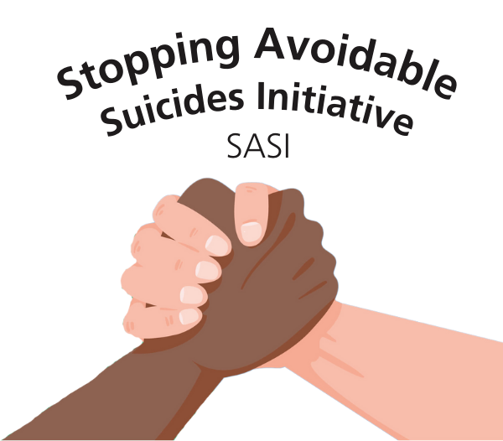
School Name:
Name of senior mental health lead
Name of other SLT involved
Contact email address

Date completed

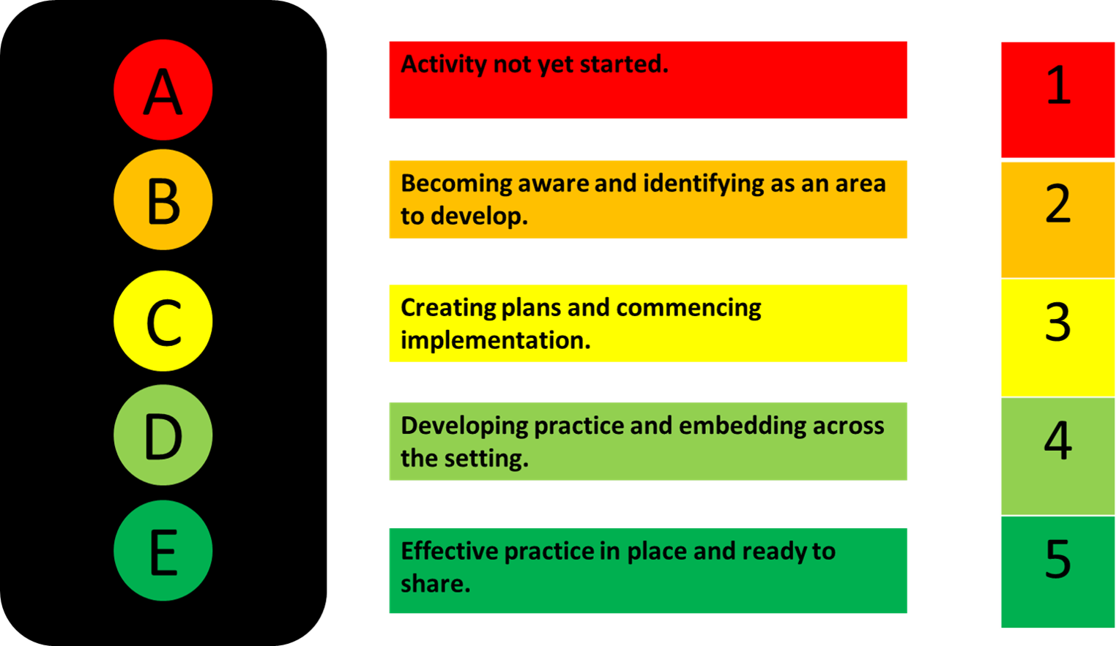
This school/college reflection tracker aims to support school and staff to self-assess and plan an approach that promote a whole schools approach for a suicide and self-harm safer community in line with the competencies of self-harm and suicide prevention competence framework for working with the public (UCL) https://www.ucl.ac.uk/pals/research/clinical-educational-and-health-psychology/research-groups/core/ competence-frameworks/self. . 1. Use the traffic light scaling to score each question from 1 to 5 (yellow questions section). Which number/descriptor best describes where you are? 2. Your scores will populate the spidergramme (green section) which will also include the overall score for each of the eight principles. You can detail any evidence or ideas about what's in place already in the outcomes by area section. 3. Finally, you can think about your next steps and develop your action plan. Please talk this through with the MHST if available, advisory teacher and school leadership team if you need to. Your action plan steps can be creative and best practice is to include the views of a range of staff, pupils and parents in developing this plans and share best practice across education settings.

Questions
 | School/college Reflection Tracker
 |  |  | 1
 |  |  | 2
 | This school/college reflection tracker aims to support school and staff to self-assess and promote attitudes, values, processes and a whole school approach for a suicide and self-harm safer community in line with the competencies of self-harm and suicide prevention competence framework for working with the public (UCL) https://www.ucl.ac.uk/pals/research/clinical-educational-and-health-psychology/research-groups/core/ competence-frameworks/self. To use the tracker, simply enter in your rating as it compares to the traffic light graphic from 1 to 5. |  | 3
 | Leadership & Management | 0 | 4


1 | We have a named senior mental health lead in the school who is well supported to initiate change at SLT level, and whose role is given appropriate protected time and status. The senior mental health lead has received suicide and self-harm prevention training. |  | 5
2 | We have a named governor with responsibility for emotional wellbeing and mental health at a strategic level. The governor has received suicide and self-harm prevention training.
3 | Senior Leadership Team model positive behaviours and attitudes which promote emotional wellbeing, mental health and a suicide and self-harm safer community.
4 | Emotional wellbeing and mental health are considered and referenced in school improvement plans, policies, and the curriculum, and there is a clear graduated response strategy in place at a universal, targeted, and individual level.

 | Ethos & environment | 0

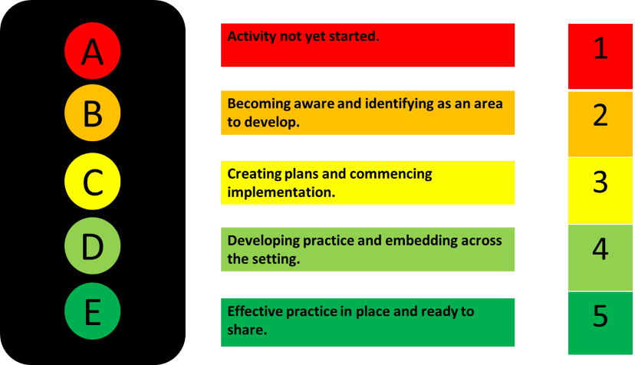
1 | Stigma associated with mental health including self-harm and suicide is challenged both explicitly and through the ethos and physical environment of the school. This includes awareness of apporpiate language around self-harm and suicide and considering how awareness and understanding is embedded in the curriculum.
2 | The school has developed a suicide and self-harm prevention policy and are commited to embedding this in practice. Staff, pupils and parents are aware of the policy and can access it.
3 | The school promotes a sense of community and connection: it is safe and welcoming and it reinforces the importance of belonging, contribution and relationships. It values inclusion and celebrates diversity. A mentally healthy approach is considered in the development of the school curriculum which promotes connection and help seeking behaviour ie. PSHE lessons, relational approach to pupil engagment and policies.
4 | We clearly signpost wellbeing support, and staff, parents and pupils all know how to access support and are encouraged to ask for help for their emotional wellbeing and mental health.

 | Staff development - Basic knowledge of issues related to self-harm and suicide | 0

1 | School staff have basic knowledge of mental health presentations and can recognise warning signs that a pupil may need targeted support. They understand the importance of listening to pupils and are comfortable speaking to pupils about sensitive subjects and their emotional wellbeing, whilst following safeguarding policies.
2 | School staff have knowledge of self-harm and suicide including helpful and unhelpful language around self-harm and suicide, the impact of social inequalities on self-harm and suicide and understand self-harm and suicidal ideation and behaviour.
3 | School staff have knowledge of development in children and young people and family development and transitions, and relevance to self-harm and suicide. They have been trained in generic communication skills to communicate with children and young people of differing ages, developmental levels and neurodevelopmental conditions.
4 | Staff have had formal suicide and self-harm awareness and prevention training

 | Student (CYP), parents and carers voice | 0

1 | All pupils, parents and carers in our school have opportunities to give feedback and have their voices heard and valued.
2 | Pupils, parents and carers are involved in decision making, policy writing, and the creation of resources in relation to self-harm and suicide prevention.
3 | We have a mechanism which allows all pupils to meaningfully participate in school life (e.g. school council and wider initiatives to include all pupils). This may include staff collaboratively developing a coping and crisis plan with pupils and parents to support them ro reintergrate into school following an incident in relation to self-harm or suicide.
4 | We are proactive in gaining the views of pupils, parents and carers who may not otherwise have their voices heard.

 | Staff Wellbeing | 0

1 | Staff wellbeing and mental health are highly valued and actively promoted.
2 | Staff involved in emotional wellbeing and mental health provision are suitably trained and are aware of appropriate resources (ie. Hampshire CAMHS self-harm & suicide prevention school and college resource and guide, Hampshire CAMHS crisis and coping plan resources) and have the opportunity to participate in CPD.
3 | Staff have access to regular supervision, peer-support, or other supportive forum where they are able to explore their experiences without judgment, reflect on their practice and acknowledge the emotional impact of the work.
4 | Staff are provided support after a death by suicide/ there is a structure for staff to receive support as part of postvention.

 | Staff professional competencies | 0

1 | The school recognises that safeguarding is everyone's business. There has clear safeguarding processes and policies in place which includes clear esculation processes and what to do if there is imminent risk to a pupil. Staff are aware of how to access this information and it is easily accessible. Staff have had safeguarding training appropriate to their role which gives them the ability to recogise and respond to concerns about child protection and safeguarding. There is a process for providing staff with updates in relation to safeguarding legislation and processes.
2 | Staff have knowledge of and an ability to work with issues of confidentiality and consent.
3 | Staff have knowledge and an ability to work with difference. This includes the ability to make adaptions to support indivudals to be able to access and engage with school and school support based on aspects of difference. Staff have knowledge that some aspects of difference may increase an individuals risk and vulnerabilities in relation to self-harm and suicide.
4 | Pupils, staff, and parents know how they can access targeted support within the school and outside, and ask for help

 | Postvention | 0

1 | The school has a clear postvention plan in line with Hampshire's local postvention guidance and protocols. Staff are educated on the benefits of postvention work (ie. reducing the incidence of suicide and improving mental health in those who have been bereaved, reducing the stigma and isolation experienced by those who have been bereaved by suicide. Offering bespoke support for those bereaved by suicide, signposting to appropriate sources of support reducing the risk of contagion or the emergence of suicide clusters).
2 | The school have a clear plan for responding to and learning from incidents at an organisational level. This is outlined in relevant school policies including safeguarding and suicide prevention policies.
3 | Staff have knowledge of bereavement, the nature of bereavement after a death by suicide and local signposting and school processes if they are concerns about individuals effected by suicide.
4 | Staff and pupils are provided support after a death by suicide.

 | Structured support: Crisis intervention and prevention | 0

1 | Staff have had crisis intervention training appropriate to their role. There is a clear process in place for schools to respond and follow when there is immediate concerns in relation to a young person's safety.
2 | Staff use collaborative coping and saftey plans at school with both young people and parents to support children of concern to be able to engage safely at school and support help seeking behaviours.
3 | A thorough risk assessment of the physical environment has taken place that takes into account associated risk factors in relation to self-harm and suicide (i.e access to sharps, medication, ligatures). This is regulalry reviewed and updated. There is a clear pathways for staff and pupils to raise safety or risk concerns in relation to the school environment. Staff, parents and pupils feel supported to raise concerns and feel concerns are responded to.
4 | There is a plan in place to support children to reintergrate back into school following an incident in relation to self-harm or suicide. This might include reviewing professional saftey plans to consider how these can be implemented safely in the school environment (if possible) or collaboratively developing a coping and safety plan with a trusted school staff, pupil and parents and reviewing this over a set period of time.

Overall outcomes

Leadership & Management |  |  | 0.0
Ethos & Environment |  |  | 0.0
Staff development - Basic knowledge of issues related to self-harm and suicide |  |  | 0.0
Student (CYP), parents and carers voice |  |  | 0.0
Staff Wellbeing |  |  | 0.0
Staff professional competencies |  |  | 0.0
Postvention |  |  | 0.0
Structured support: Crisis intervention and prevention |  |  | 0.0
Action plan position for

Leadership & Management | 0.0
Ethos & Environment | 0.0
Staff development - Basic knowledge of issues related to self-harm and suicide | 0.0
Student (CYP), parents and carers voice | 0.0
Staff Wellbeing | 0.0
Staff professional competencies | 0.0
Postvention | 0.0
Structured support: Crisis intervention and prevention | 0.0

